Game Flow
eDNA Detective - Game Flowchart
Stage Name | Stage Picture | Description | Existing Problems / Comments
0.0 The game main page / entry | 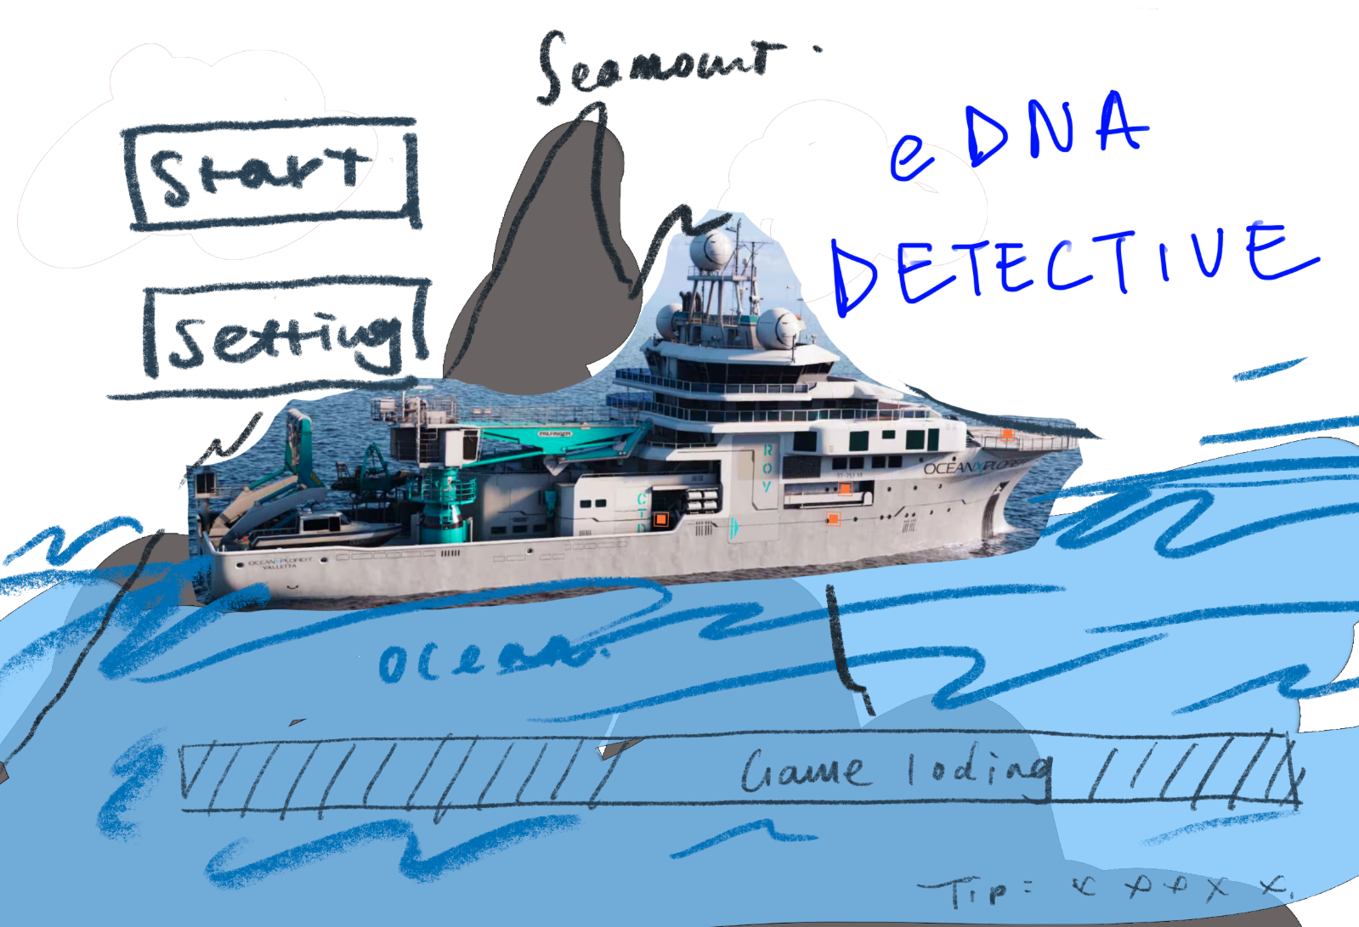 | show the OceanX ship, the “Enter Game” and “Settings” buttons, a progress bar, and the game logo. The ship's texture is not completely fixed; it has a slight bobbing effect on the water.
0.1 after click start | 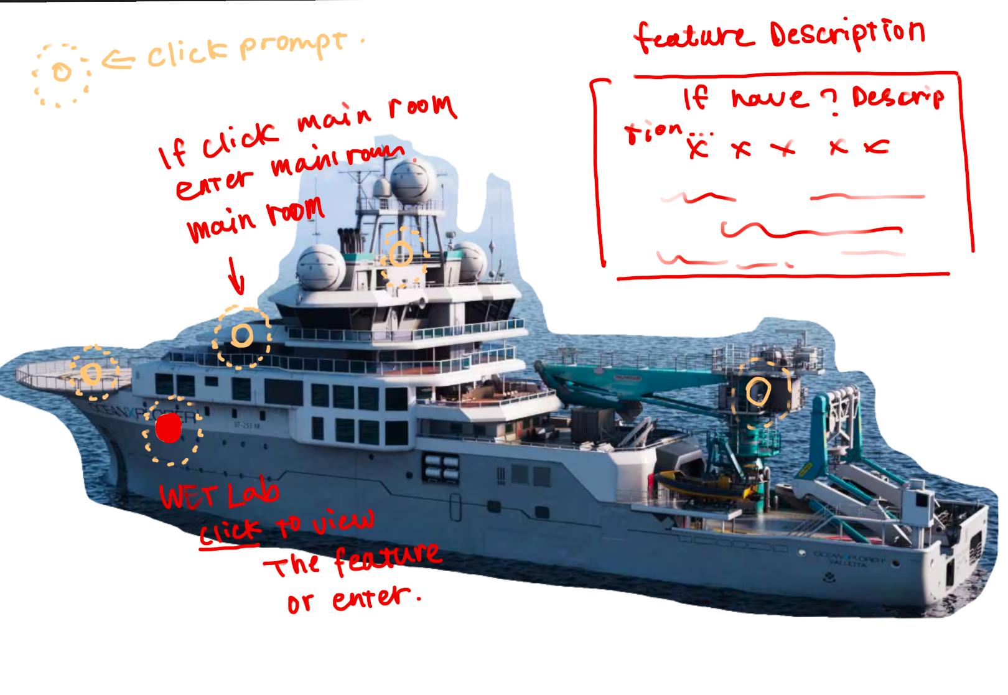 | After clicking the start button, the exploration ship's texture will slowly enlarge and occupy most of the screen, and some clickable prompt circles will appear on the hull. For location prompt circles, clicking once will show the function of the location, and double-clicking will enter the location. Currently, the only location designed to be entered in this game should be the control room. For other things, after clicking, the function prompt of the item/location can appear in the upper right corner, for example: 'rosette sampler is used to deploy Niskin bottles'. After clicking the button, there needs to be a color change as click feedback.
0.2 after doubel click main room( mission control) | 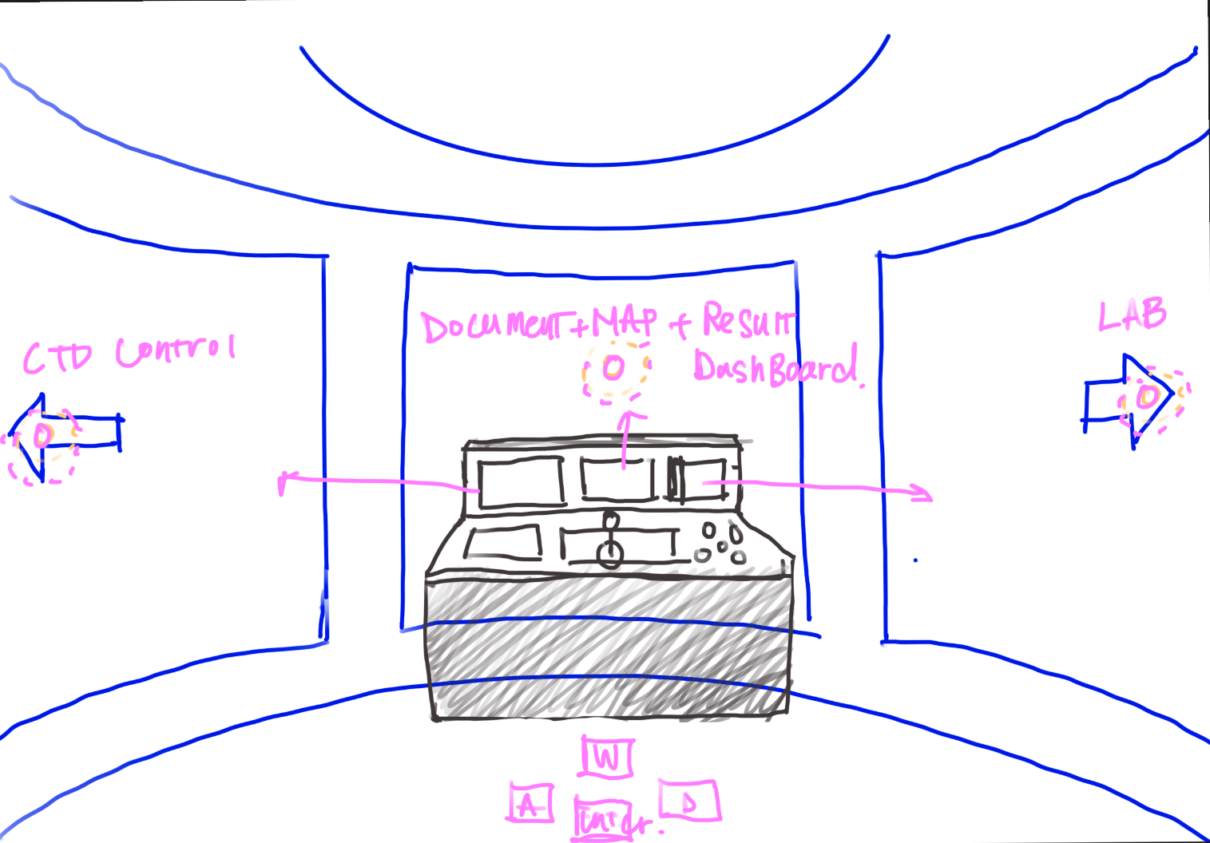 | Enter the perspective of the control room. Clicking the 3 screens can enter different stages. Stage 1: CTD deployment and sampling. Stage 2: Complete the cleaning and staining of the samples in the lab. Stage 3: All information, as well as saved background information, illustrated handbook information, and detective stage, can be seen by clicking the middle screen (PS: Because this game is a 2D game, the arrows can be changed to other buttons. After clicking, it directly switches scenes, rather than rotating the perspective in the current room).
1.1 ctd stage 1 | 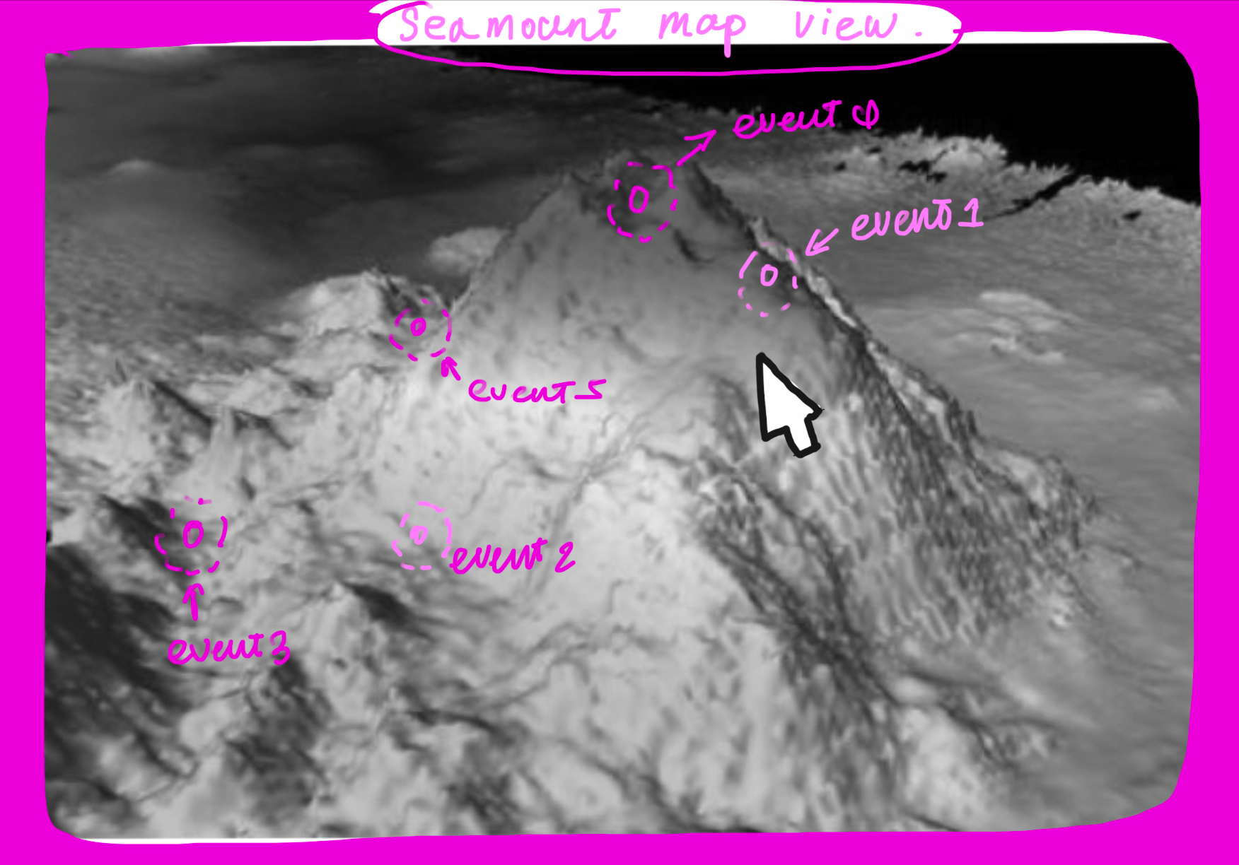 | After selecting CTD, a map of an undersea mountain range will appear. There will be some points marked on the map indicating locations worthy of attention. Double-clicking a location will actually enter the CTD mini game.
1.2 ctd stage 2 | 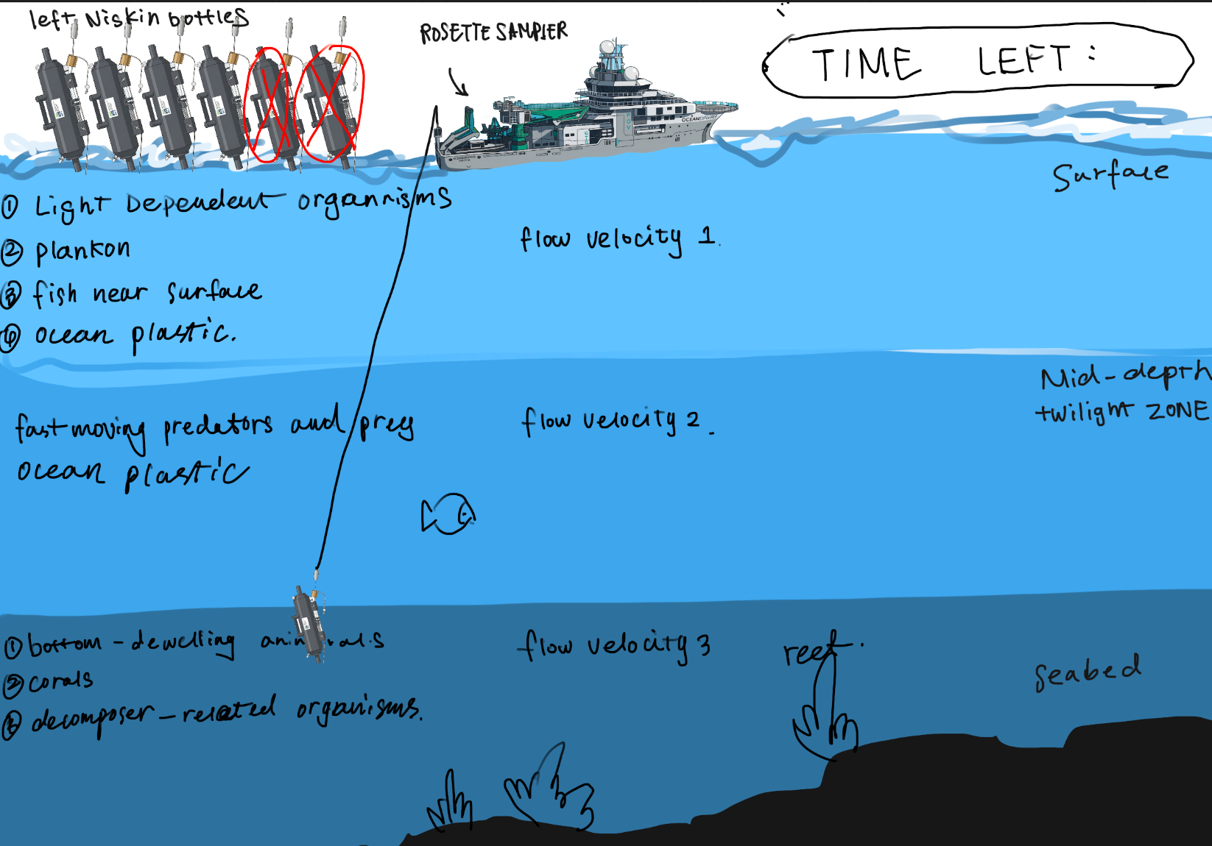 | The conceptual screen of the CTD mini game. In the upper left corner is the remaining usable Niskin bottles for the current player, and in the upper right corner is the remaining time. The ocean part is divided into 3 depths. Different depths will have different ocean current speeds and organisms, and the collected information should theoretically be different. However, marine debris will appear at every depth. The goal of this stage is to use 6 bottles to collect water samples from 3 depths. The condition for success is that the bottle stays in the current water layer for at least 2.5 seconds, and during the collection process, no debris can be collected and it cannot be hit by more than a certain number of organisms.
1. 3 ctd success stage --- back to main dashboard 0.2 | 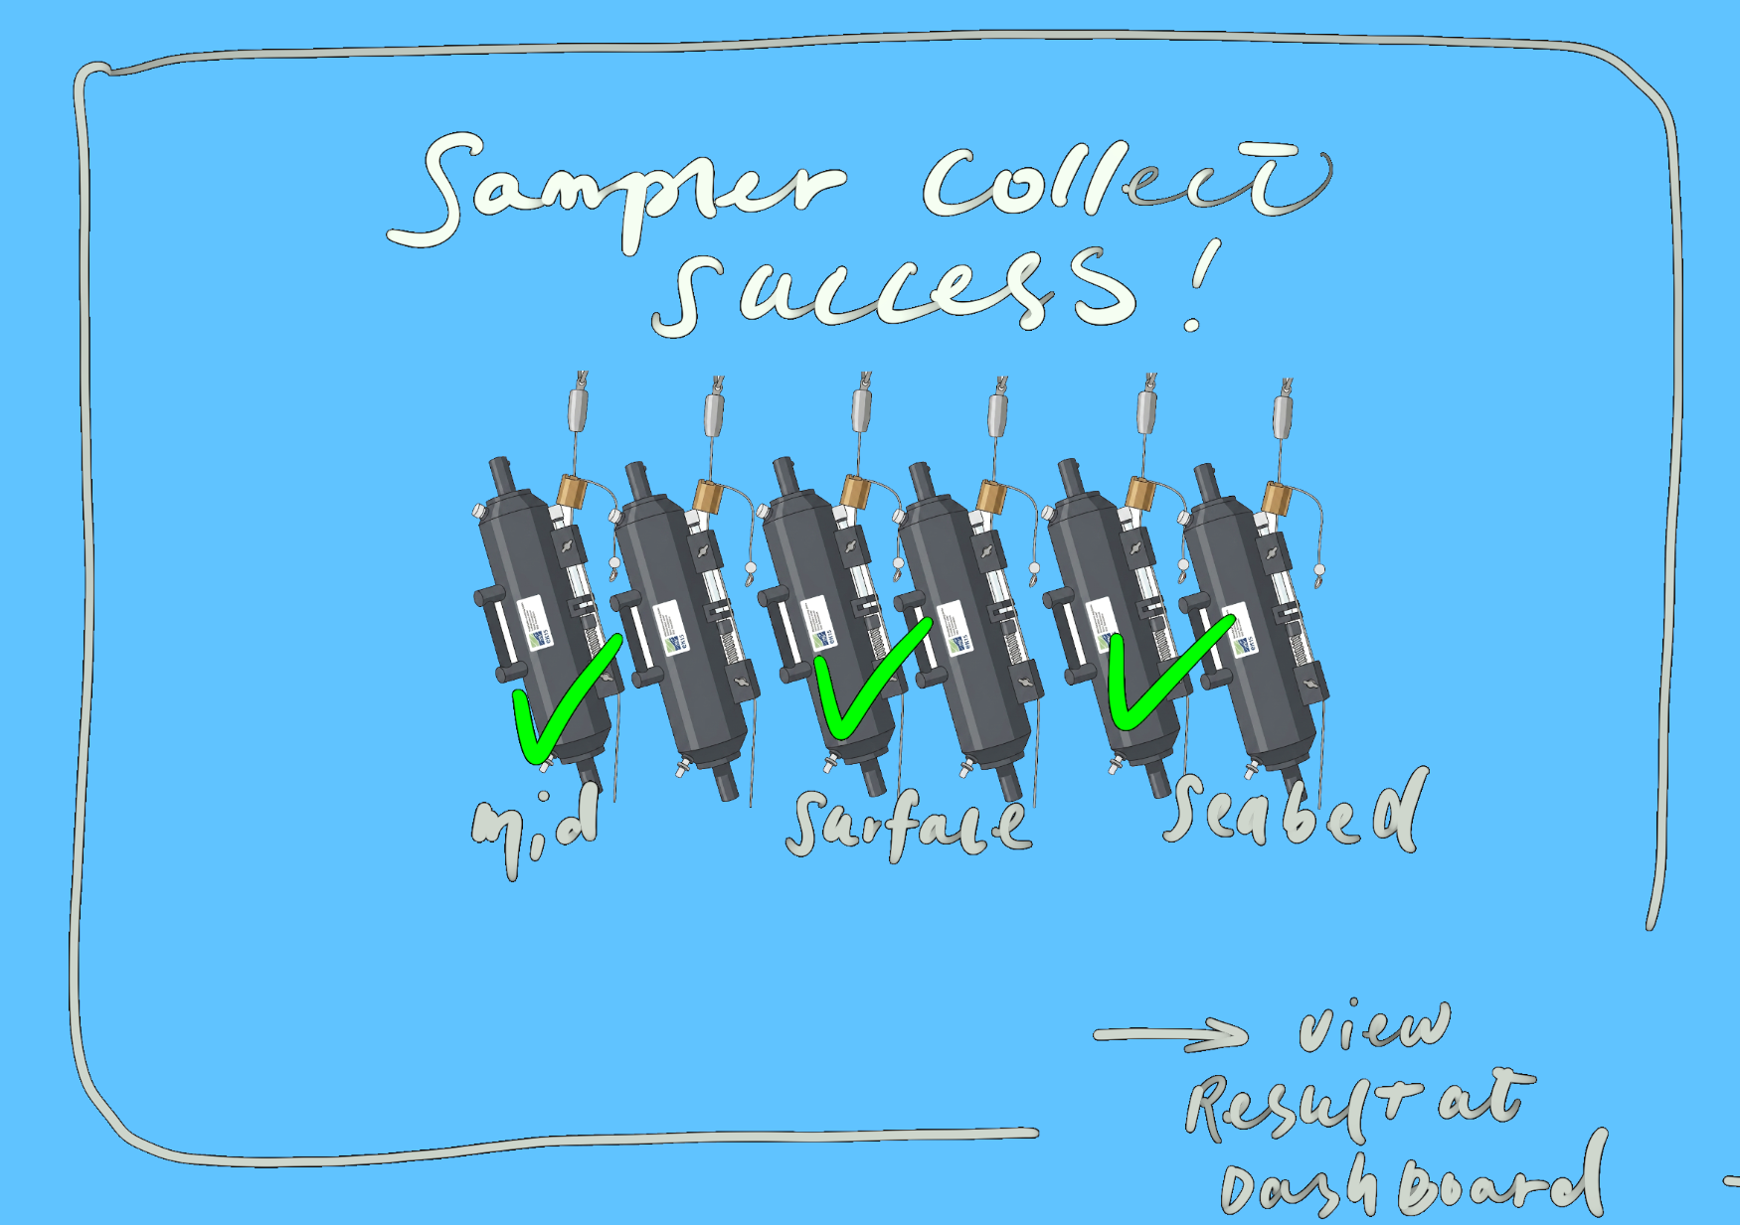 | Successfully collect water samples from 3 depths. You can return to 0.2 to check the results. In this scene, it will show that the sample collection was successful, and it will show the order in which different water samples were successfully collected (that is, marking which water layer it is under the bottle).
1. 4 CTD defeat - back to 1.2 or 0.2 | 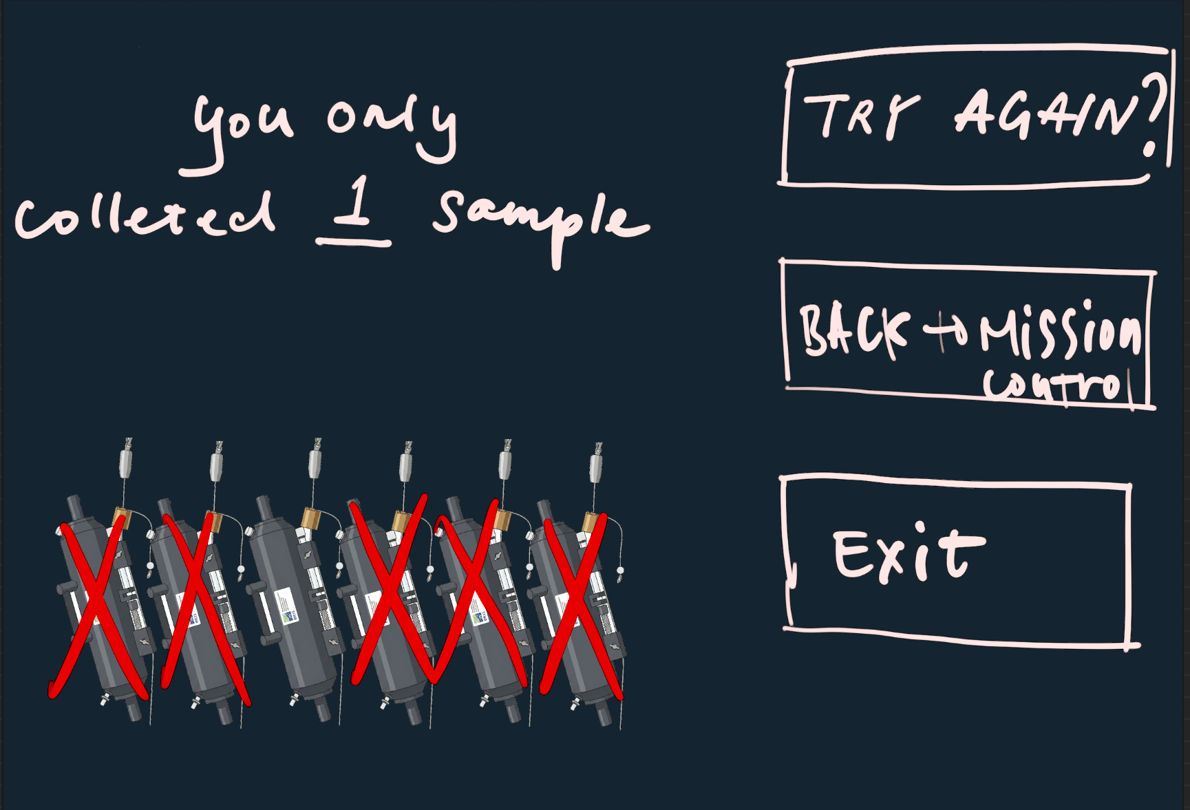 | Show the number of samples successfully collected by the player (0-2). Provide 3 options for the player to choose from.
2. petri-dish

3. detective game

